United States Men
Frequency distribution tables
By size and month

Men shoes sales

 | United States, 2016 |  |  |  |  |  |  |  |  |  |  |  | Mean | Standard error | ME | 95% CI |  | Number of pairs
US | 1 | 2 | 3 | 4 | 5 | 6 | 7 | 8 | 9 | 10 | 11 | 12 | 2016 | 2016 | 2016 | 2016
6 | 4 | 1 | 3 | 1 | 3 | 3 | 3 | 4 | 3 | 7 | 3 | 0 | 2.92 | 0.51 | 1.13 | 1.78 | 4.05 | 4
6.5 | 3 | 2 | 0 | 1 | 0 | 0 | 1 | 7 | 2 | 1 | 2 | 1 | 1.67 | 0.56 | 1.22 | 0.45 | 2.89 | 3
7 | 0 | 0 | 1 | 0 | 6 | 4 | 4 | 2 | 3 | 0 | 0 | 0 | 1.67 | 0.61 | 1.34 | 0.33 | 3.00 | 3
7.5 | 3 | 2 | 3 | 1 | 7 | 0 | 7 | 3 | 4 | 6 | 1 | 1 | 3.17 | 0.69 | 1.53 | 1.64 | 4.70 | 5
8 | 7 | 9 | 7 | 3 | 12 | 2 | 9 | 4 | 7 | 5 | 2 | 6 | 6.08 | 0.88 | 1.94 | 4.14 | 8.03 | 8
8.5 | 12 | 12 | 8 | 8 | 15 | 9 | 17 | 17 | 6 | 9 | 10 | 6 | 10.75 | 1.12 | 2.47 | 8.28 | 13.22 | 13
9 | 17 | 13 | 13 | 11 | 21 | 22 | 25 | 30 | 26 | 25 | 13 | 10 | 18.83 | 1.97 | 4.33 | 14.50 | 23.17 | 23
9.5 | 19 | 25 | 27 | 24 | 26 | 33 | 25 | 47 | 31 | 44 | 37 | 26 | 30.33 | 2.45 | 5.39 | 24.95 | 35.72 | 36
10 | 17 | 26 | 26 | 19 | 16 | 31 | 25 | 24 | 23 | 31 | 15 | 20 | 22.75 | 1.57 | 3.45 | 19.30 | 26.20 | 26
10.5 | 13 | 16 | 22 | 14 | 28 | 19 | 18 | 15 | 19 | 21 | 16 | 10 | 17.58 | 1.37 | 3.01 | 14.57 | 20.59 | 21
11 | 5 | 16 | 13 | 10 | 10 | 11 | 15 | 8 | 9 | 7 | 6 | 7 | 9.75 | 1.01 | 2.22 | 7.53 | 11.97 | 12
11.5 | 4 | 3 | 6 | 3 | 3 | 5 | 6 | 4 | 5 | 12 | 13 | 5 | 5.75 | 0.96 | 2.12 | 3.63 | 7.87 | 8
12 | 3 | 0 | 0 | 4 | 4 | 4 | 3 | 12 | 4 | 9 | 2 | 1 | 3.83 | 1.01 | 2.23 | 1.60 | 6.06 | 6
13 | 1 | 1 | 2 | 0 | 3 | 2 | 1 | 0 | 0 | 4 | 3 | 2 | 1.58 | 0.38 | 0.83 | 0.75 | 2.42 | 2
14 | 2 | 6 | 3 | 3 | 5 | 3 | 2 | 1 | 0 | 1 | 2 | 1 | 2.42 | 0.50 | 1.10 | 1.32 | 3.52 | 4
15 | 0 | 0 | 0 | 1 | 1 | 0 | 4 | 0 | 0 | 0 | 0 | 2 | 0.67 | 0.36 | 0.78 | -0.12 | 1.45 | 1
16 | 0 | 0 | 0 | 0 | 0 | 0 | 0 | 0 | 0 | 0 | 0 | 0 | 0.00 | 0.00 | 0.00 | 0.00 | 0.00 | 0
Total | 110 | 132 | 134 | 103 | 160 | 148 | 165 | 178 | 142 | 182 | 125 | 98

 |  |  |  |  |  |  |  |  |  | 2016
 |  |  |  |  |  |  |  |  | n | 12
 |  |  |  |  |  |  |  |  | t11,0.025 | 2.20

 |  |  |  |  |  |  |  |  | The correct t-statistic is 2.20, unlike the 2.18, shown in the video.
 |  |  |  |  |  |  |  |  | This small correction does not change the result in a way, which leads to a different interpretation.

 | Standard Error
 | A way to measure how much a “sample statistic” (like an average) is likely to differ from the true value of the entire population.
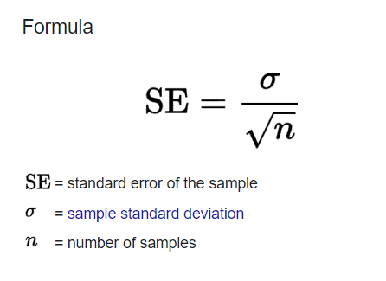

 |  |  |  |  |  |  |  |  |  |  | Margin of Error
 |  |  |  |  |  |  |  |  |  |  | is a number that tells you how much “wiggle room” there is in a survey or study.
 |  |  |  |  |  |  |  |  |  |  | It represents the range above and below a result where the true answer likely sits.

 | Confidence Interval

Germany
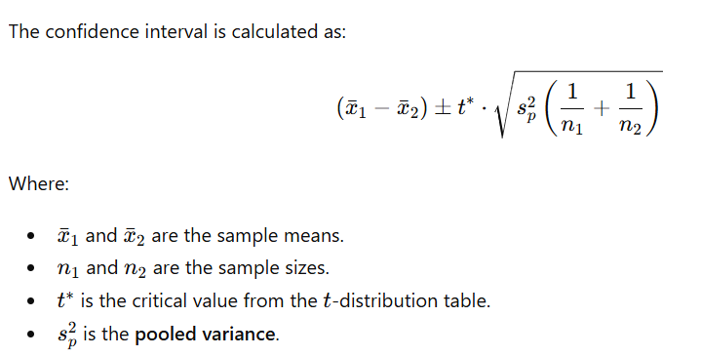
Frequency distribution tables
By size and month

Women shoe sales

 | Germany, GER1 |  |  |  |  |  |  |  |  |  |  |  | Germany, GER2 |  |  |  |  |  |  |  |  |  |  |  | Mean
US | 1 | 2 | 3 | 4 | 5 | 6 | 7 | 8 | 9 | 10 | 11 | 12 | 1 | 2 | 3 | 4 | 5 | 6 | 7 | 8 | 9 | 10 | 11 | 12 | GER1 | GER2
4 | 0 | 0 | 0 | 0 | 0 | 0 | 0 | 0 | 0 | 0 | 0 | 0 | 0 | 0 | 0 | 0 | 0 | 0 | 0 | 0 | 0 | 0 | 0 | 0 | 0.00 | 0.00
4.5 | 0 | 0 | 0 | 0 | 1 | 3 | 0 | 0 | 0 | 0 | 1 | 0 | 0 | 0 | 0 | 0 | 0 | 0 | 0 | 0 | 0 | 1 | 0 | 0 | 0.42 | 0.08
5 | 0 | 0 | 0 | 0 | 0 | 0 | 2 | 0 | 0 | 0 | 0 | 0 | 0 | 0 | 0 | 0 | 0 | 0 | 0 | 2 | 0 | 0 | 0 | 0 | 0.17 | 0.17
5.5 | 0 | 0 | 0 | 0 | 0 | 0 | 0 | 0 | 0 | 0 | 1 | 0 | 0 | 0 | 0 | 0 | 0 | 0 | 0 | 1 | 0 | 2 | 0 | 1 | 0.08 | 0.33
6 | 0 | 2 | 0 | 0 | 0 | 0 | 0 | 0 | 0 | 0 | 0 | 0 | 0 | 1 | 3 | 1 | 2 | 0 | 0 | 0 | 0 | 0 | 0 | 0 | 0.17 | 0.58
6.5 | 3 | 3 | 1 | 2 | 1 | 0 | 2 | 0 | 2 | 1 | 3 | 4 | 2 | 0 | 2 | 1 | 1 | 2 | 0 | 1 | 2 | 1 | 3 | 0 | 1.83 | 1.25
7 | 0 | 3 | 3 | 4 | 1 | 0 | 1 | 0 | 2 | 0 | 0 | 1 | 0 | 0 | 0 | 4 | 1 | 3 | 1 | 1 | 1 | 3 | 1 | 4 | 1.25 | 1.58
7.5 | 1 | 2 | 4 | 1 | 2 | 6 | 4 | 3 | 5 | 8 | 2 | 1 | 2 | 1 | 1 | 3 | 2 | 7 | 9 | 8 | 14 | 8 | 6 | 3 | 3.25 | 5.33
8 | 6 | 10 | 3 | 9 | 1 | 3 | 6 | 8 | 3 | 12 | 3 | 9 | 13 | 6 | 5 | 13 | 5 | 3 | 11 | 6 | 6 | 9 | 8 | 3 | 6.08 | 7.33
8.5 | 10 | 10 | 10 | 7 | 14 | 4 | 7 | 7 | 4 | 8 | 7 | 9 | 8 | 5 | 10 | 4 | 5 | 5 | 9 | 7 | 3 | 7 | 9 | 8 | 8.08 | 6.67
9 | 1 | 3 | 8 | 6 | 3 | 1 | 4 | 4 | 0 | 2 | 4 | 2 | 5 | 2 | 2 | 9 | 3 | 1 | 1 | 7 | 2 | 1 | 4 | 2 | 3.17 | 3.25
9.5 | 4 | 1 | 2 | 1 | 2 | 2 | 2 | 4 | 5 | 2 | 3 | 2 | 0 | 1 | 1 | 0 | 1 | 2 | 2 | 1 | 7 | 2 | 4 | 2 | 2.50 | 1.92
10 | 0 | 1 | 1 | 1 | 1 | 1 | 3 | 1 | 0 | 0 | 0 | 1 | 0 | 1 | 1 | 0 | 0 | 0 | 2 | 3 | 0 | 2 | 0 | 0 | 0.83 | 0.75
10.5 | 1 | 0 | 0 | 0 | 2 | 2 | 4 | 1 | 0 | 3 | 1 | 1 | 0 | 2 | 0 | 0 | 0 | 1 | 0 | 0 | 0 | 0 | 2 | 1 | 1.25 | 0.50
11.5 | 0 | 0 | 0 | 2 | 0 | 0 | 0 | 0 | 0 | 0 | 0 | 0 | 0 | 0 | 5 | 0 | 0 | 0 | 0 | 1 | 0 | 0 | 0 | 0 | 0.17 | 0.50
Total | 26 | 35 | 32 | 33 | 28 | 22 | 35 | 28 | 21 | 36 | 25 | 30 | 30 | 19 | 30 | 35 | 20 | 24 | 35 | 38 | 35 | 36 | 37 | 24

Sample variance |  |  | Pooled variance |  | Margin of error |  | 95% CI
GER1 | GER2
0.00 | 0.00 |  | 0.00 |  | 0.00 |  | 0.00 | 0.00
0.81 | 0.08 |  | 0.45 |  | 0.57 |  | -0.23 | 0.90
0.33 | 0.33 |  | 0.33 |  | 0.49 |  | -0.49 | 0.49
0.08 | 0.42 |  | 0.25 |  | 0.43 |  | -0.68 | 0.18
0.33 | 0.99 |  | 0.66 |  | 0.69 |  | -1.11 | 0.27
1.61 | 0.93 |  | 1.27 |  | 0.95 |  | -0.37 | 1.54
2.02 | 2.27 |  | 2.14 |  | 1.24 |  | -1.57 | 0.91
4.93 | 16.06 |  | 10.50 |  | 2.74 |  | -4.83 | 0.66
12.27 | 12.24 |  | 12.25 |  | 2.96 |  | -4.21 | 1.71
7.72 | 4.97 |  | 6.34 |  | 2.13 |  | -0.72 | 3.55
5.06 | 6.57 |  | 5.81 |  | 2.04 |  | -2.13 | 1.96
1.55 | 3.72 |  | 2.63 |  | 1.37 |  | -0.79 | 1.96
0.70 | 1.11 |  | 0.91 |  | 0.81 |  | -0.72 | 0.89
1.66 | 0.64 |  | 1.15 |  | 0.91 |  | -0.16 | 1.66
0.33 | 2.09 |  | 1.21 |  | 0.93 |  | -1.27 | 0.60

 |  |  |  |  |  |  | GER1 | GER2
 |  |  |  |  |  | n | 12 | 12

 |  |  |  |  |  |  | t22,0.025 | 2.07

